Summary
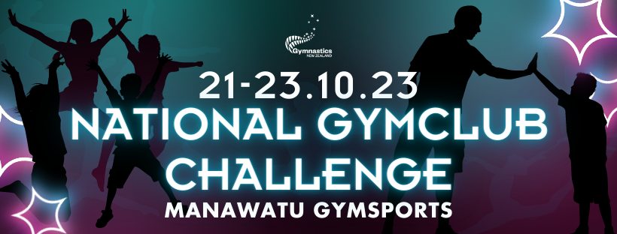

Entries close 31st August 2023
Please email your entry to club@manawatugymsports.co.nz
Clubs will be invoiced directly

Club Name

Contact

Email

Phone

Total Number of Athletes

Team Gym | 0
Apparatus | 0
Parkour | 0
Aerogym | 0
Aerodance | 0
Tumbling | 0
Trampoline | 0
DMT | 0
Rhythmic | 0

