Entry Form

 |  | Students Enrolled at |  | As stipulated by the NZ Secondary Schools Council, this form is required to be completed by the Principal (or Acting Principal) of the school that athletes are registered to attend the New Zealand Secondary Schools GymSports Championships AND consent to the registered students representing the school at the event. |  |  |  | 

 |  | Principal Signature |  | Competition Date: | Saturday 24th August 2019 |  |  | NZSS Aerobics Championships
 |  |  |  | Entry Due Date: | Wednesday 31st July 2019
 |  | To avoid errors please DO NOT USE CUT |  |  | Use Pick List If school missing go to lists and add school, then select from this list | Coach on Floor for this competition |  | Required. Complete one of the columns. Type Music name or select Aeroschools Music from list |  | Required | Required if team | Required if team | Required if team | Required if team | Required if team | Required if team | Required if team | Required if team | Required if team | Required if team | Required if team | Required if team | Required if team | Required if team | Required if team | Required if team
Category Type | Stream | Category Type | Stream | First Name and Last Name or Team Name | School | Coach Name | Coach Qualification | Music | Aeroschools Music | Individual Athlete age at 31 Dec 2018 | Pair/ Trio/ Group Team Member 1 First Name and Last Name | Age at 31 Dec 2018 | Pair/ Trio/ Group Team Member 2 First Name and Last Name | Age at 31 Dec 2018 | Pair/ Trio/ Group Team Member 3 First Name and Last Name | Age at 31 Dec 2018 | Pair/ Trio/ Group Team Member 4 First Name and Last Name | Age at 31 Dec 2018 | Pair/ Trio/ Group Team Member 5 First Name and Last Name | Age at 31 Dec 2018 | Pair/ Trio/ Group Team Member 6 First Name and Last Name | Age at 31 Dec 2018 | Pair/ Trio/ Group Team Member 7 First Name and Last Name | Age at 31 Dec 2018 | Pair/ Trio/ Group Team Member 8 First Name and Last Name | Age at 31 Dec 2018
TRUE | FALSE
TRUE | FALSE
TRUE | FALSE
TRUE | FALSE
TRUE | FALSE
TRUE | FALSE
TRUE | FALSE
TRUE | FALSE
TRUE | FALSE
TRUE | FALSE
TRUE | FALSE
TRUE | FALSE
TRUE | FALSE
TRUE | FALSE
TRUE | FALSE
TRUE | FALSE
TRUE | FALSE
TRUE | FALSE
TRUE | FALSE
TRUE | FALSE
TRUE | FALSE
TRUE | FALSE
TRUE | FALSE
TRUE | FALSE
TRUE | FALSE
TRUE | FALSE
TRUE | FALSE
TRUE | FALSE
TRUE | FALSE
TRUE | FALSE
TRUE | FALSE
TRUE | FALSE
TRUE | FALSE
TRUE | FALSE
TRUE | FALSE
TRUE | FALSE
TRUE | FALSE
TRUE | FALSE
TRUE | FALSE
TRUE | FALSE
TRUE | FALSE
TRUE | FALSE
TRUE | FALSE
TRUE | FALSE
TRUE | FALSE
TRUE | FALSE
TRUE | FALSE
TRUE | FALSE
TRUE | FALSE
TRUE | FALSE
TRUE | FALSE
TRUE | FALSE
TRUE | FALSE
TRUE | FALSE
TRUE | FALSE
TRUE | FALSE
TRUE | FALSE
TRUE | FALSE
TRUE | FALSE
TRUE | FALSE
TRUE | FALSE
TRUE | FALSE
TRUE | FALSE
TRUE | FALSE
TRUE | FALSE
TRUE | FALSE
TRUE | FALSE
TRUE | FALSE
TRUE | FALSE
TRUE | FALSE
TRUE | FALSE
TRUE | FALSE
TRUE | FALSE
TRUE | FALSE
TRUE | FALSE
TRUE | FALSE
TRUE | FALSE
TRUE | FALSE
TRUE | FALSE
TRUE | FALSE
TRUE | FALSE
TRUE | FALSE
TRUE | FALSE
TRUE | FALSE
TRUE | FALSE
TRUE | FALSE
TRUE | FALSE
TRUE | FALSE
TRUE | FALSE
TRUE | FALSE
TRUE | FALSE
TRUE | FALSE
TRUE | FALSE
TRUE | FALSE
TRUE | FALSE
TRUE | FALSE
TRUE | FALSE
TRUE | FALSE
TRUE | FALSE
TRUE | FALSE
TRUE | FALSE
TRUE | FALSE
TRUE | FALSE
TRUE | FALSE
TRUE | FALSE
TRUE | FALSE
TRUE | FALSE
TRUE | FALSE
TRUE | FALSE
TRUE | FALSE
TRUE | FALSE
TRUE | FALSE
TRUE | FALSE
TRUE | FALSE
TRUE | FALSE
TRUE | FALSE
TRUE | FALSE
TRUE | FALSE
TRUE | FALSE
TRUE | FALSE
TRUE | FALSE
TRUE | FALSE
TRUE | FALSE
TRUE | FALSE
TRUE | FALSE
TRUE | FALSE
TRUE | FALSE
TRUE | FALSE
TRUE | FALSE
TRUE | FALSE
TRUE | FALSE
TRUE | FALSE
TRUE | FALSE
TRUE | FALSE
TRUE | FALSE
TRUE | FALSE
TRUE | FALSE
TRUE | FALSE
TRUE | FALSE
TRUE | FALSE
TRUE | FALSE
TRUE | FALSE
TRUE | FALSE
TRUE | FALSE
TRUE | FALSE
TRUE | FALSE
TRUE | FALSE
TRUE | FALSE
TRUE | FALSE
TRUE | FALSE
TRUE | FALSE
TRUE | FALSE
TRUE | FALSE
TRUE | FALSE
TRUE | FALSE
TRUE | FALSE
TRUE | FALSE
TRUE | FALSE
TRUE | FALSE
TRUE | FALSE
TRUE | FALSE
TRUE | FALSE
TRUE | FALSE
TRUE | FALSE
TRUE | FALSE
TRUE | FALSE
TRUE | FALSE
TRUE | FALSE
TRUE | FALSE
TRUE | FALSE
TRUE | FALSE
TRUE | FALSE
TRUE | FALSE
TRUE | FALSE
TRUE | FALSE
TRUE | FALSE
TRUE | FALSE
TRUE | FALSE
TRUE | FALSE
TRUE | FALSE
TRUE | FALSE
TRUE | FALSE
TRUE | FALSE
TRUE | FALSE
TRUE | FALSE
TRUE | FALSE
TRUE | FALSE
TRUE | FALSE
TRUE | FALSE
TRUE | FALSE
TRUE | FALSE
TRUE | FALSE
TRUE | FALSE
TRUE | FALSE
TRUE | FALSE
TRUE | FALSE

How To
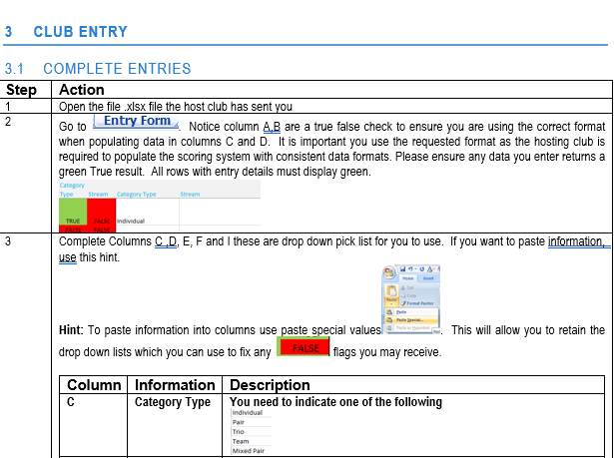

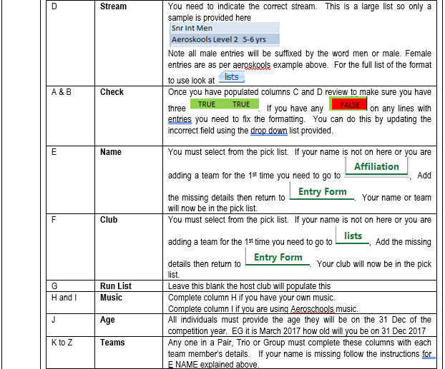

E | E Name
 | Type your first and last name the lists have been removed for this competition

 | K to Z Teams
 | Type each team members First and Last name. Lists have been removed for this competition

